Invoice
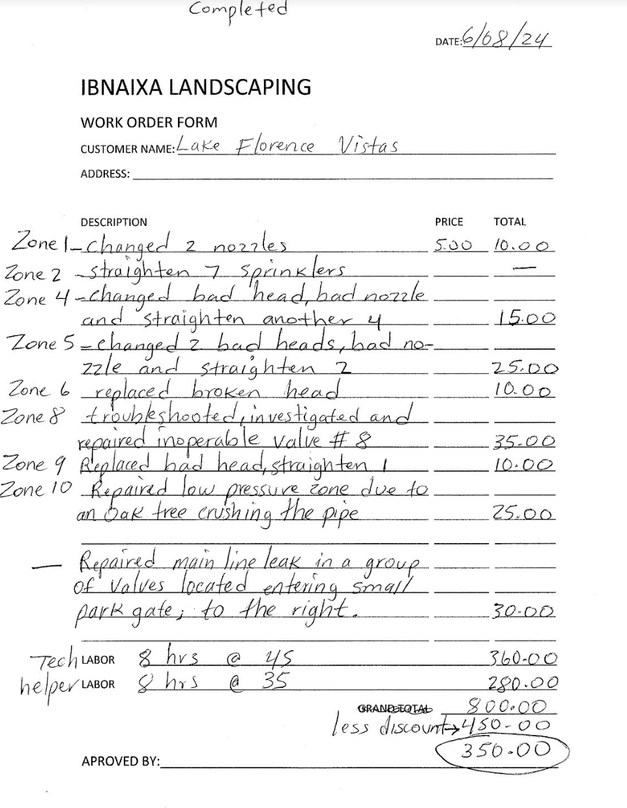
 | Lizpa Landscaping, Inc.

 | Bill To: | Lake Florence C/O Sentry Management Inc. | Phone: | 407-788-6700 ext 51209 | Invoice #: | 1387
 | Address: | 2180 W. State Rd. 434 Suite 5000 Longwood, FL 32779 | Fax: | 407-788-7488
 | Service Address: | Lake Florence Vistas 1702 Florence Vista Blvd Orlando, FL 32818 | Email: | canderson@sentrymgt.com | Invoice Date: | 2024-08-01

 | Qty | Description |  |  |  | Price

 |  | Sprinkler work done by Ibnaixa Landscaping in June |  |  |  | $350.00
 |  | See itemized work order form by above landscaper

 | Make all checks payable to Lizpa Landscaping, Inc.
 | Thank you for your business!! |  |  |  | TOTAL | $350.00

